Contents
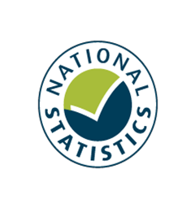

Family Resources Survey, 2019/20
Household Food Security in the United Kingdom

Published: 25 March 2021
Next Publication: March 2022
Coverage: United Kingdom
Frequency: Annual

Contents

These are new statistics which need care when handling. Please read the Guidance prior to use.
To access data tables, select the table headings or tabs.
To return to contents click "Back to contents" link at the top of each page.

Table | Table Description
9.1 | Households by region/country and household food security status, 2019/20, United Kingdom
9.2 | Households by composition and household food security status, 2019/20, United Kingdom
9.3 | Households by age group of head of household and household food security status, 2019/20, United Kingdom
9.4 | Disability in household by household food security status, 2019/20, United Kingdom
9.5 | Households by educational attainment of head of household and household food security status, 2019/20, United Kingdom
9.6 | Households by ethnic group of head of household and household food security status, 2019/20, United Kingdom
9.7 | Households by state support receipt and household food security status, 2019/20, United Kingdom
9.8 | Households by total gross weekly income and household food security status, 2019/20, United Kingdom
9.9 | Households by tenure and household food security status, 2019/20, United Kingdom
9.10 | Question answer rates by household food security status, 2019/20, United Kingdom

Contacts

Statistician: M A Vaughan
Email: team.frs@dwp.gov.uk
Family Resources Survey
DWP Surveys Branch
2nd Floor, Caxton House
Tothill Street
London
SW1H 9NA
Press enquiries: 0203 267 5144

Further Information

These are new statistics that have been produced for the first time this year and we welcome feedback. Please send this to the FRS inbox linked above.

Website for this release, including supporting guides:
https://www.gov.uk/government/statistics/family-resources-survey-financial-year-2019-to-2020

9.1
Back to Contents

Table 9.1: Households by region/country1 and household food security status2, 2019/20, United Kingdom

 |  |  |  |  |  |  |  |  | Percentage of households | Household food security status of all households, 2019/20, United Kingdom

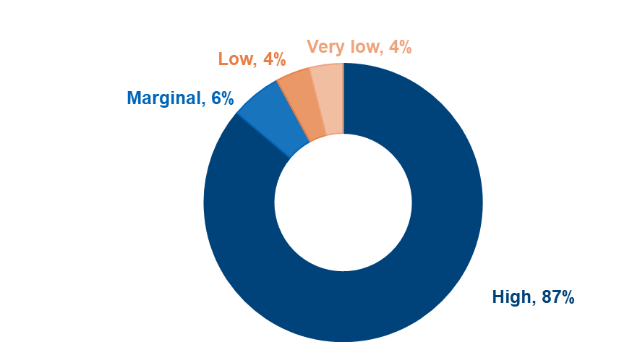
 |  |  |  |  | Household food security status
Region/Country | High | Marginal | Low | Very low |  | Food_secure | Food_insecure | All | Sample size

United Kingdom | 87 | 6 | 4 | 4 |  | 92 | 8 | 100 | 19,041

Country
England | 87 | 6 | 4 | 4 |  | 92 | 8 | 100 | 13,503 |  | Up to 67%
Wales | 88 | 6 | 4 | 3 |  | 93 | 7 | 100 | 764 |  | 68% to 70%
Scotland | 85 | 7 | 4 | 4 |  | 92 | 8 | 100 | 2,711 |  | 71% to 73%
Northern Ireland | 88 | 4 | 3 | 4 |  | 93 | 7 | 100 | 2,063 |  | 74% to 76%
Great Britain | 87 | 6 | 4 | 4 |  | 92 | 8 | 100 | 16,978 |  | More than 76%
Region
North East | 82 | 7 | 4 | 6 |  | 89 | 11 | 100 | 748
North West | 83 | 7 | 5 | 5 |  | 90 | 10 | 100 | 1,894
Yorkshire and the Humber | 86 | 5 | 4 | 4 |  | 92 | 8 | 100 | 1,514
East Midlands | 88 | 5 | 4 | 3 |  | 93 | 7 | 100 | 1,266
West Midlands | 85 | 7 | 4 | 4 |  | 92 | 8 | 100 | 1,445
East | 91 | 4 | 2 | 3 |  | 95 | 5 | 100 | 1,531
London | 86 | 6 | 5 | 3 |  | 91 | 9 | 100 | 1,580
Inner London | 85 | 6 | 5 | 4 |  | 92 | 8 | 100 | 566
Outer London | 86 | 5 | 6 | 3 |  | 91 | 9 | 100 | 1,014
South East | 89 | 5 | 3 | 3 |  | 94 | 6 | 100 | 2,073
South West | 89 | 5 | 2 | 4 |  | 94 | 6 | 100 | 1,452

1 See Guidance tab for Region and Country codes.
2 Data in this table should be presented as "87% of households in the United Kingdom have high food security".

